Cover sheet
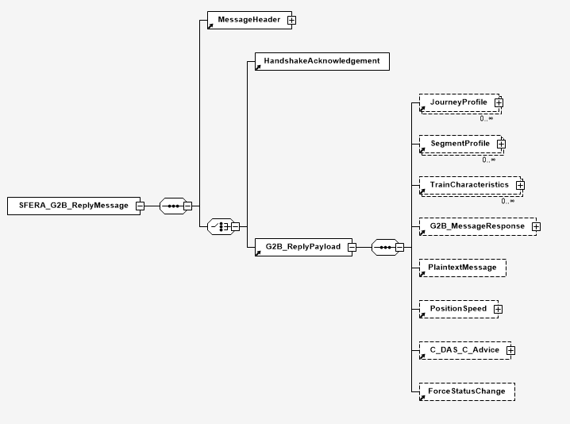
SFERA->RailML Conversion table

This document describes which data elements matches between RailML and SFERA and how they have to be translated
It will describe the translation from RailML to SFERA for the subschemes <infrastructure> , <timetable> and <rollingstock> and map these on the SFERA <SegmentProfile> and <JourneyProfile>
From a high level point of vue the RailML subschemes maps to SFERA in the following way
 | RailML subschema |  | SFERA element
 | infrastructure |  | SegmentProfile
 | timetable |  | JourneyProfile
 | rollingstock |  | Traincharacteristics

There are some fundamental differences between RailML and SFERA.
- RailML is tuned for bulk transfer, while SFERA is tuned for small messages
- RailML is tuned to describe a full infrastructure set, while SFERA will by default only describe the parts in a timetable
- RailML uses more references between elements, while SFERA only has references between timetable and infrastructure
- SFERA also includes a protocol and communication standard. The use is described in IRS90940.
- SFERA's scope is only the execution of a running train, so it does not carry information about previous plannings or other information that is not part of the execution of a train run

In this conversion table we will especiallyu look at the SFERA Ground to Board reply message, as this message will carry the releveant information that could originate from RailML

Both RailML2 and RailML3 are still actively used and updated, so both versions are subject of this conversion table.
There are 6 tabs to cover the 2 versions and the three subschemes <timetable>, <rollingstock> and <infrastructure>

 | RailML version | SFERA version | Comment
Header information | generic | 0.81
RailML2 Infra | 2.4 | 0.81
RailML2 Timetable | 2.4 | 0.81
RailML2 Rollingstock | 2.4 | 0.81
RailML3 Infra | 3.1 | 0.81
RailML3 Timetable | 3.1 | 0.81 | RailML3 timtable is not yet released
RailML3 Rollingstock | 3.1 | 0.81 | RailML3 rollingstock is not yet released

RailML 2 structure:
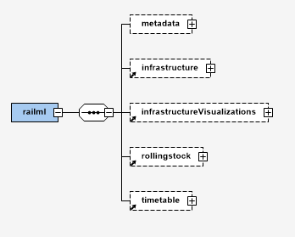

RailML 3 structure:
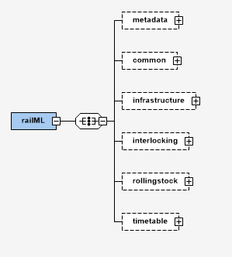

SFERA structure:

RailML2 Infra
RailML 2 infrastructure
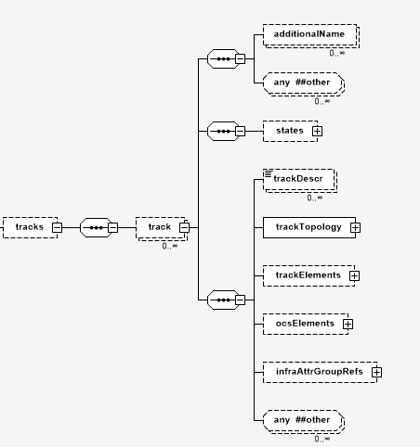
1
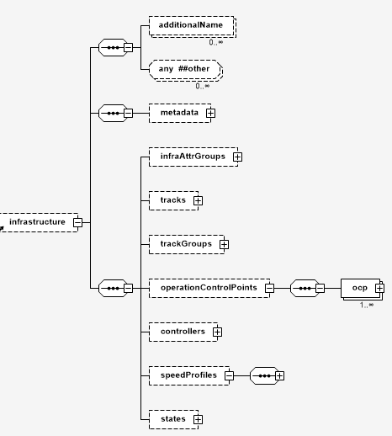
RailML structure

1

2
3

2

SFERA Structure

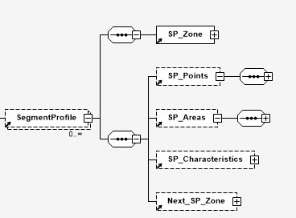

2

1
3

Note: The infrastructure is one of the main points where SFERA and RailML differs. RailML will try to build a consistent view of a complete infrastructure, while SFERA only describes the infrastructure one single train runs on
In this document we assume that one RailML track can correspond to one SegmentProfile. This is not mandatory, but it simplifies the translation and avoids regrouping of infrastructure
If regrouping is done, multiple tracks can be grouped in ine SegmentProfile, but a track can also be split in multiple SegmentProfiles
In RailML, the infrastructure is static. Altough it is a good practice to keep the SegmentProfiles in SFERA also static, it is still possible to send different SegmentProfiles depending on train or routing
RailML is different in the way that is provides a full list of elements like ocp - operationControlPoint, and links it in other elements like tracks. SFERA only lists the Timingpoints that are present within the SegmentProfile
Another difference is the grouping of elements. RailML Groups these by theme (trackelements, tracktopology, ocselements), while SFERA groups these by Point (=no length), Area (=with length) and Characteristics

RailML name | RailML type | SFERA name | SFERA datatype | How to convert | Notes
infraAttrGroups | element | NA | NA | NA
trackGroups | element | NA | NA | NA
>line | element | SP_Characteristics->LineAndTrackIdentifier->LineAndTrackIdentifierStart Trributes lineName & lineIdentifier SP_Characteristics->LineAndTrackIdentifier->LineAndTrackIdentifierChange | string | the subattributes of line (code/name/description) can be reused to display line names. | SFERA can define multiple line identifiers for one Segment. Within a segment the "LineAndTrackIdentifier" can change (element LineAndTrackIdentifierChange)
>>id | id | SP_Characteristics->LineAndTrackIdentifier->LineAndTrackIdentifierStart->lineIdentifier | string | unique id
>>code | string | SP_Characteristics->LineAndTrackIdentifier->LineAndTrackIdentifierStart->lineIdentifier | NA | alternative for identifier
>>name | string | SP_Characteristics->LineAndTrackIdentifier->LineAndTrackIdentifierStart->lineName | string |  | Display name
>>type | enumeration: mainLine, branchLine, secondaryLine, other | NA | NA | NA
>>description | string | SP_Characteristics->LineAndTrackIdentifier->LineAndTrackIdentifierStart->lineName | string | alternative for name | Display name
>>infrastructureManagerRef | id | (MessageHeader->destinationCompany) | string | Company names must be transferred to UIC RICS Code if used in the Header | The complete element is not directly used in SFERA, but this element might contain data that can be used to isolate information flows (e.g. login or connect operations or giving access between multiple parties). It can also be part of the MessageHeader.
>>lineCategory | enumeration EN 15528 | NA | NA | NA
>>trackRef | element |  |  |  | These lists the tracks that are in the trackgroup. This RailML data will be used to internally link the tracks with the line
>locallyControlledArea | element | NA | NA | NA
controllers | element | NA | NA | NA | Not used in SFERA
states | element | SP_Characteristics->SP_State |  | States can be used to refer to the status of a SegmentProfile (valid/inValid) | use with care. It is more advisable to only send valid segmentprofiles.
speedProfiles | element | SP_Characteristics->StaticSpeedProfile->StaticSpeedProfileStart->SpecificSSP SP_Characteristics->StaticSpeedProfile->StaticSpeedProfileChange->SpecificSSP |  | Values for "Braking" is similar (P/G regimes), while tilting is in a different format. SFERA uses an absolute value like SS126, while RailML uses an angle and tiltingchange | SFERA combines the speedprofiles in one element. RailML uses <SpeedChanges> with a reference to multiple speedProfiles. SFERA also doesn’t refer to an operatingperiod or time -> the profile is the one the train in running on "now". In SFERA, this grouping has been done on CantDeficiency, Traintype (P/G regime, or "other"). "Other" can be defined by the IM/RU and is limited to 10 characters. In SpecificSSP you can define when there is a speed difference (V_DIFF) for certain type of trains or tilting categories. Type is defined in attribute specific_SSP_Category
>speedProfile | element | See above | NA | NA
>>id | id | NA | NA | NA | SFERA does not use a reference, but directly includes the speedprofile in the element
>>code | string | NA | NA | NA | SFERA does not use a code but directly includes the speedprofile in the element
>>name | string | NA | NA | NA | SFERA does not use a name but directly includes the speedprofile in the element
>>desciption | string | NA | NA | NA | SFERA does not use a description but directly includes the speedprofile in the element
>>influence | string | NA | NA | NA
>>maxAxleLoad | number | SP_Areas->AxleLoadSpeedProfile | element | NA | SFERA uses AxleLoadCategory instead of decimel number
>>maxMeterLoad | number | NA | NA | NA
>>operatingPeriodRef | id | NA | NA | NA | SFERA uses only a version of the active profile at one particular time
>>startTime | time | NA | NA | NA | SFERA uses only a version of the active profile at one particular time
>>endTime | time | NA | NA | NA | SFERA uses only a version of the active profile at one particular time
>>endDayOffset | number | NA | NA | NA | SFERA uses only a version of the active profile at one particular time
>>trainProtectionSystem | string | SP_Characteristics->StaticSpeedProfile->StaticSpeedProfileStart->SpecificSSP SP_Characteristics->StaticSpeedProfile->ATP_System_Identifier | id | identifier of ATP system (ETCS NID_NTC from ERA)
>>verbalConstraint | string | SP_Characteristics->StaticSpeedProfile->StaticSpeedProfileStart->SpecificSSP->OtherSpecificSSP->trainCategoryCode SP_Characteristics->StaticSpeedProfile->StatisSpeedProfileChange->SpecificSSP->OtherSpecificSSP->trainCategoryCode |  |  | There is a correlation between these fields, but use with care as there fields are IM/RU defined and might be not porteable to a foreign RU/IM
operationControlPoints | element |  |  |  | operationControlPoints can mostly be mapped onto a TimingPoint. SFERA only includes the timingpoints available in the SegmentProfile. In theory, the ocp can also refer to other SFERA elements, but this has to be handled in the translation
>ocp | element | NA | NA | NA | ocp location has to be defined using references from "track"
>>id | id | SP_Points->TimingPoint->TP_ID | string
>>code | string | SP_Points->TimingPoint->TP_ID | string |  | alternative
>>name | string | SP_Points->TimingPoint->TP_Name | element | attributes "language" & "name"
>>description | string | NA | NA | NA | possible alternative for name
>>number | string | SP_Points->TimingPoint->TP_ID |  |  | possible alternative for ID
>>abbrevation | string | SP_Points->TimingPoint->TP_abbrevation | string
>>timezone | string | UTC_Offset |  | UTC_offset, instead of timezone | SFERA uses an UTC_Offset on SegmentProfile level
>>type | string | SP_Points->TimingPoint->TP_type |  | Type of Timing Point. Examples: Very important station Important station Station Stopping location Junction Regional border Connexion Network border Signal with detection Grid or shunting area Service installation Service stopping location Movable bridge Other | These type could correlate, but RailML defines this as the type of the ocpname instead of type of ocp. It could be that elements other than an ocp refers to a timingpoint. Refer to propOperational for a possible alternative
>>parentOcpRef | id | NA | NA | NA
>>controllerRef | element | NA | NA | NA
>>propOperational | element | SP_Points->TimingPoint->TP_type
>>>operationaltype | enumeration: station, stoppingPoint, depot, crossover, junction, blockPost, blockSignal, siding, other | SP_Points->TimingPoint->TP_type |  | Type of Timing Point. Examples: Very important station Important station Station Stopping location Junction Regional border Connexion Network border Signal with detection Grid or shunting area Service installation Service stopping location Movable bridge Other
>>>trafficType | enumeration | NA | NA | NA
>>>orderChangeable | bool | NA | NA | NA
>>>ensuresTrainSequence | bool | NA | NA | NA
>>propService | element | NA | NA | NA | Not used in SFERA
>>propEquipment | element
>>>summary | element | NA | NA | NA | Not used in SFERA
>>>trackRef | element | NA | NA | NA | SFERA already lists the timingpoints within a SegmentProfile
>>>propOther | element (deprecated) | NA | NA | NA | the attribute frontier could be used to indicate a border
>>>tsi | element (deprecated) | NA | NA | NA
>>>area | element | NA | NA | NA | Not used in SFERA
>>>geoCoord | element | SP_Points->VirtualBalise |  | Add linear location in attribute location | SFERA only places items based on a distance location. However, it is advices to place a VirtualBalise with the geo coordinates on the same location as the TimingPoint
>>>>coord | list of 2/3 doubles | SP_Points->VirtualBalise->VirtualBalisePosition |  | use 2-3 list values to the attributes latitude, longitude and altitude. signed degrees format (DDD.ddddd) in the WGS84 system. Altitude (m). Considering ETRS89 as reference.
>>>>extraHeight | double | SP_Points->VirtualBalise->VirtualBalisePosition->altitude |  | Altitude (m). Considering ETRS89 as reference.
>>>>epsgCode | URI | NA | NA | NA
>>>>heightEPSGCode | URI | NA | NA | NA
>>>designator | element | NA | NA | NA | Not used in SFERA
tracks | element
>track | element |  |  |  | We try to map these to a SegmentProfile. This could be from macroScopicNode to MacroscopicNode, but can also be stationtracks
>>id | id | SP_ID | id | the id of the track can be mapped to a SegmenProfile SP_ID if it is mlapped one to one. Otherwise a translation needs to happen
>>code | string | SP_ID | id | the code of the track can be mapped to a SegmenProfile SP_ID if it is mlapped one to one. Otherwise a translation needs to happen | Alternative
>>name | string | NA | NA | NA | tracks are not named nor described in SFERA
>>description | string | NA | NA | NA | tracks are not named nor described in SFERA
>>type | enumeration: mainTrack, secondaryTrack, connectingTrack, sidingTrack, stationTrack, other | NA | NA | NA
>>mainDir | enumeration: up, down, unknown, none | NA | NA | the up/down has to be converted in a SFERA travel direction | The represantation in SFERA should always be in the direction the train travels. If it is reversed, the SegmentProfileList (in JourneyProfile) can be set that the travel direction is in Reverse (Nominal/Reverse), but this representation has severe limits like Signals and Stopping points. In SFERA, multiple SegmentProfiles can be build per direction (e.g. one for eacht travel direction)
>>infraAttrGroupRef | id (deprecated) | NA | NA | NA
>>trackDesc | (deprecated) | NA | NA | NA
>>trackTopology | element
>>>trackBegin | element
>>>>id | id | NA | NA | NA
>>>>pos | number |  |  |  | Depending on the definition of the TrackBegin, it might be needed to place a TimingPoint or other item on location 0 (which will be the pos)
>>>>absPos | number |  |  |  | Alternative of above
>>>>absPosOffset | number | NA | NA | NA
>>>>geoCoord | element | SP_Points->VirtualBalise |  | add a Virtualbalise on the trackBegin | See previous GeoCoord Definition
>>>>connection | element | NA | NA | NA
>>>>>id | id | NA | NA | NA
>>>>>ref | id | NA | NA | NA
>>>bufferStop | element | NA | NA | NA
>>>openEnd | element | NA | NA | NA
>>>macroscopicNode | element |  |  |  | This might refer to a TimingPoint
>>>>ocpRef | id |  |  | ocp to timingpoint | This might refer to a TimingPoint
>>>>flowDirection | enumeration: in, out | NA | NA | NA
>>>trackEnd | element
>>>>id | id | NA | NA | NA
>>>>pos | number | (SP_Length) |  | Use post of the End to fill in SP_Length | Depending on the definition of the TrackEnd, it might be needed to place a TimingPoint or other item on end Location (which will be the pos)
>>>>absPos | number |  |  |  | Alternative of above
>>>>absPosOffset | number | NA | NA | NA
>>>>geoCoord | element | SP_Points->VirtualBalise |  | add a Virtualbalise on the trackEnd | See previous GeoCoord Definition
>>>>connection | element | NA | NA | NA
>>>>>id | id | NA | NA | NA
>>>>>ref | id | NA | NA | NA
>>>bufferStop | element | NA | NA | NA
>>>openEnd | element | NA | NA | NA
>>>macroscopicNode | element |  |  |  | This might refer to a TimingPoint
>>>>ocpRef | id |  |  | ocp to timingpoint | This might refer to a TimingPoint
>>>>flowDirection | enumeration: in, out | NA | NA | NA
>>>mileageChanges | element | NA | NA | NA
>>>connections | element | NA | NA | NA | In SFERA, the connection is made in SegmentProfileList. Switches and lines are not seperately modelled, but can be divides into multiple SegmentProfiles. It could be that the presense of a switch or crossing imposes some restriction, but these should be modelled using speedProfiles or SignalInformation
>>>crossSections | element | NA | NA | NA
>>>borders | element | Next_SP_Zone |  | IM_ID or NID_C | A border in RailML cannot be directly translated, but information on an IM border can be used to indicate that the end of a SegmentProfile hands over to another IM
>>trackElements | element
>>>speedChanges | element | SP_Characteristics->StaticSpeedProfile |  | SpeedChanges in combination of SpeedProfile can fill in information of SP_Characteristics->StaticSpeedProfile
>>>>SpeedChange | element
>>>>>id | id | NA | NA | NA
>>>>>code | string | NA | NA | NA
>>>>>name | string | NA | NA | NA
>>>>>description | string | NA | NA | NA
>>>>>pos | number | SP_Characteristics->StaticSpeedProfile->StaticSpeedProfileStart SP_Characteristics->StaticSpeedProfile->StaticSpeedProfileChange->location | number | StaticSpeedProfileStart (pos = 0 or start of SegmentProfile), or ->location
>>>>>absPos |  | SP_Characteristics->StaticSpeedProfile->StaticSpeedProfileStart SP_Characteristics->StaticSpeedProfile->StaticSpeedProfileChange->location | number | StaticSpeedProfileStart (pos = 0 or start of SegmentProfile), or ->location | possible alternative to pos
>>>>>absPosOffset | string | NA | NA | NA
>>>>>dir | enumeration: up, down, derived | NA | NA |  | In SFERA, the direction is always the direction of the definition. Another direction can be a separate SegmentProfile
>>>>>trainCategory | string | SP_Characteristics->StaticSpeedProfile->StaticSpeedProfileChange->SpecificSSP->OtherSpecificSSP->trainCategoryCode |  |  | use with care (only IM<->RU compatible, but not with foreign RU/IM)
>>>>>etcsTrainCategory | string | SP_Characteristics->StaticSpeedProfile->ATP_System_Identifier |  | ETCS NID_ NTC from ERA or ERA "List of Class B Systems" | ETCS NID_ NTC from ERA.
>>>>>profileRef | id | NA | NA |  | Directly written in XML tree of SFERA
>>>>>status | string | NA | NA | NA
>>>>>vMax | number | SP_Characteristics->StaticSpeedProfile->StaticSpeedProfileStart->SSP_Speed SP_Characteristics->StaticSpeedProfile->StaticSpeedProfileChange->SSP_Speed |  | km/h
>>>>>trainRelation | enumeration: headOfTrain, midOfTrain, endOfTrain | SP_Characteristics->StaticSpeedProfile->StaticSpeedProfileStart->SSP_Front SP_Characteristics->StaticSpeedProfile->StaticSpeedProfileChange->SSP_Front |  | values headOfTrain (SSP_Front=1), midOfTrain, endOfTrain(SSP_Front=0)
>>>>>mandatoryStop | bool | NA | NA | NA
>>>>>signalised | bool | NA | NA | NA
>>>>>geoCoord | element | SP_Points->VirtualBalise |  | add a Virtualbalise on the speedChanges | See previous GeoCoord Definition
>>>gradientChanges | element | SP_Characteristics->StaticSpeedProfile
>>>>gradientChange | element | SP_Characteristics->GradientAverage |  |  | The SP_Characteristics->GradientSteepest can also be used if source data only delivers the steepest slope (like SS-126 or ETCS source data)
>>>>>id | id | NA | NA | NA
>>>>>code | string | NA | NA | NA
>>>>>name | string | NA | NA | NA
>>>>>description | string | NA | NA | NA
>>>>>pos | number | SP_Characteristics->GradientAverage->GradientAverageStart SP_Characteristics->GradientAverage->GradientAverageStart->location | number | SP_Characteristics->GradientAverage->GradientAverageStart (pos = 0 or start of SegmentProfile), or ->location
>>>>>absPos |  | SP_Characteristics->GradientAverage->GradientAverageStart SP_Characteristics->GradientAverage->GradientAverageStart->location | number | SP_Characteristics->GradientAverage->GradientAverageStart (pos = 0 or start of SegmentProfile), or ->location | possible alternative to pos
>>>>>absPosOffset | string | NA | NA | NA
>>>>>dir | enumeration: up, down, derived | NA | NA |  | In SFERA, the direction is always the direction of the definition. Another direction can be a separate SegmentProfile
>>>>>slope | string | SP_Characteristics->GradientAverage->GradientAverageStart->gradientValue & GradientDirection SP_Characteristics->GradientAverage->GradientAverageChange->gradientValue & GradientDirection |  | recalculate negative values to GradientDirection Uphill/Downhill | RailMl uses per mille (and use of negative values. SFERA uses mm by m (which is also per mille), but also adds a GradientDirection (Uphill, Downhill) and does not have negative values
>>>>>transitionLength | number | NA | NA
>>>>>transitionRadius | number | NA | NA
>>>>>geoCoord | element | SP_Points->VirtualBalise |  | add a Virtualbalise | See previous GeoCoord Definition
>>>radiusChanges | element | SP_Characteristics->Curves SP_Characteristics->SuperElevation |  |  | SFERA seperately place Curves and SuperElevation. RailML combines these
>>>>radiusChange | element | SP_Characteristics->Curves SP_Characteristics->SuperElevation
>>>>>id | id | NA | NA | NA
>>>>>code | string | NA | NA | NA
>>>>>name | string | NA | NA | NA
>>>>>description | string | NA | NA | NA
>>>>>pos | number | SP_Characteristics->Curves->CurveStart SP_Characteristics->Curves->CurveChanges->location SP_Characteristics->SuperElevation->SuperElevationStart SP_Characteristics->SuperElevation->SuperElevationChanges->location | number | SP_Characteristics->Curves->CurveStart (pos = 0 or start of SegmentProfile), or ->location
>>>>>absPos |  | SP_Characteristics->Curves->CurveStart SP_Characteristics->Curves->CurveChanges->location | number | SP_Characteristics->Curves->CurveStart (pos = 0 or start of SegmentProfile), or ->location | possible alternative to pos
>>>>>absPosOffset | string | NA | NA | NA
>>>>>dir | enumeration: up, down, derived | NA | NA |  | In SFERA, the direction is always the direction of the definition. Another direction can be a separate SegmentProfile
>>>>>radius | string | SP_Characteristics->Curves->CurveStart->CurveRadius & curveDirection SP_Characteristics->Curves->CurveChange->CurveRadius & curveDirection | number | recalculate positive/negative values to CurveDirection Left/Right. It is possible to use "unknown" | Radius definition is the same, but negative values (Left) and positive values (right) are defined seperately | r
>>>>>superelevation | number | SP_Characteristics->Superelevation->SuperElevationStart->superelevationValue SP_Characteristics->Superelevation->SuperElevationChange->superelevationValue | NA |  | both are in mm
>>>>>geometryElementDescription | number | NA | NA | NA
>>>>>geoCoord | element | SP_Points->VirtualBalise |  | add a Virtualbalise on the radiusChange | See previous GeoCoord Definition
>>>tunnels | element | SP_Areas->Tunnel |  |  | SFERA seperately place Curves and SuperElevation. RailML combines these
>>>>tunnel | element | SP_Areas->Tunnel
>>>>>id | id | SP_Areas->Tunnel->identifier | NA | NA
>>>>>code | string | SP_Areas->Tunnel->identifier | NA | NA
>>>>>name | string | NA | NA | NA
>>>>>description | string | NA | NA | NA
>>>>>pos | number | SP_Areas->Tunnel->startLocation | number
>>>>>absPos |  | SP_Areas->Tunnel->startLocation | number |  | possible alternative to pos
>>>>>absPosOffset | string | NA | NA | NA
>>>>>dir | enumeration: up, down, derived | NA | NA | Use "dir" to correctly place the tunnel (start/end & reverse) | In SFERA, the direction is always the direction of the definition. Another direction can be a separate SegmentProfile
>>>>>length | string | SP_Areas->Tunnel->endLocation | number | EndLocation to be calculated by using startLocation and length
>>>>>crossSection | number | SP_Areas->Tunnel->tunnelFactor | NA | both expressed in m² | both are in mm
>>>>>kind | enumeration: natural stone, quarrystone, brick, concrete, other | NA | NA | NA
>>>>>geoCoord | element | SP_Points->VirtualBalise |  | add a Virtualbalise | See previous GeoCoord Definition
>>>>>crossedElements | element | NA | NA | NA
>>>bridges | element | NA | NA | NA | does not exist in SFERA. One might consider to use a short tunnel
>>>levelcrossing | element | NA | NA | NA | does not exist in SFERA. There is an item called unprotectedLevelCrossingStop when a train has to stop before crossing
>>>ownerChanges | element | NA | NA | NA | does not exist in SFERA.
>>>operationModeChanges | element | NA | NA | NA | does not exist in SFERA.
>>>trainProtectionChanges | element | SP_Characteristics->ATP_Systems |  |  | SFERA uses a list of ATP Systems. Possibly the values can be derived (depending on source)
>>>>trainProtectionChange | element | SP_Characteristics->ATP_Systems->ATPSystemsStart SP_Characteristics->ATP_Systems->ATPSystemsChange
>>>>>id | id | NA | NA | NA
>>>>>code | string | NA | NA | NA
>>>>>name | string | NA | NA | NA
>>>>>description | string | NA | NA | NA
>>>>>pos | number | SP_Characteristics->ATP_Systems->ATPSystemsStart (if = 0) SP_Characteristics->ATP_Systems->ATPSystemsChange-Location | number
>>>>>absPos |  | SP_Characteristics->ATP_Systems->ATPSystemsStart (if = 0) SP_Characteristics->ATP_Systems->ATPSystemsChange-Location | number |  | possible alternative to pos
>>>>>absPosOffset | string | NA | NA | NA
>>>>>dir | enumeration: up, down, derived | NA | NA
>>>>>medium | enumeration: mechanical, electrical, inductive, magnetic, optical, radio, rail, cable, none | NA | NA | ETCS NID_ NTC or ERA "List of Class B Systems"
>>>>>monitoring | number | NA | NA | NA | both are in mm
>>>>>geoCoord | element | SP_Points->VirtualBalise |  | add a Virtualbalise | See previous GeoCoord Definition
>>>electrificationChanges | element | SP_Characteristics->RatedVoltage |  |  | SFERA uses a list of ATP Systems. Possibly the values can be derived (depending on source)
>>>>electrificationChange | element | SP_Characteristics->RatedVoltage
>>>>>id | id | NA | NA | NA
>>>>>code | string | NA | NA | NA
>>>>>name | string | NA | NA | NA
>>>>>description | string | NA | NA | NA
>>>>>pos | number | SP_Characteristics->RatedVoltage->RatedVoltageStart (if = 0) SP_Characteristics->RatedVoltage->RatedVoltageChange-Location | number
>>>>>absPos |  | SP_Characteristics->RatedVoltage->RatedVoltageStart (if = 0) SP_Characteristics->RatedVoltage->RatedVoltageChange-Location | number |  | possible alternative to pos
>>>>>absPosOffset | string | NA | NA | NA
>>>>>dir | enumeration: up, down, derived | NA | NA | NA | The track is always in the directiuon of the train Run
>>>>>type | enumeration: none, overhead, 3rdrail, siderail, other | NA | NA | NA
>>>>>voltage | number | SP_Characteristics->RatedVoltage->RatedVoltageStart->VoltageValue (if = 0) SP_Characteristics->RatedVoltage->RatedVoltageChange->VoltageValue SP_Characteristics->RatedVoltage->RatedVoltageChange->NID_CTRACTION |  |  | both are in Volts. When translation to NID_CTRACTION is used: use numbers from ERA document ERA_ERTMS_040001.
>>>>>frequency | number | SP_Characteristics->RatedVoltage->RatedVoltageChange->NID_CTRACTION |  |  | Can be used in combination to voltage to refer to NID_CTRACTION is used: use numbers from ERA document ERA_ERTMS_040001.
>>>>>vMax | number | NA | NA | NA
>>>>>isolatedSection | bool | SP_Areas->PowerlessSection |  | SFERA has a start & endlocation in a separate element | This has been defined seperated from the voltageChanges in SFERA.
>>>>>geoCoord | element | SP_Points->VirtualBalise |  | add a Virtualbalise | See previous GeoCoord Definition
>>>>>states | element | NA | NA | NA
>>>>>maxTrainCurrent | element | SP_Characteristics->CurrentLimitation->CurrentLimitationStart->maxCurValue (if = 0) SP_Characteristics->CurrentLimitation->CurrentLimitationStart->maxCurValue
>>>powerTransmissionChanges | element | NA | NA | NA | Not used in SFERA
>>>AxleWeightChanges | element |  |  |  | There is no direct translation of this element in SFERA, but the information can be used to defer trains outside the scope of a DAS. However, there is an element in SFERA (SP_Areas->AxleLoadSpeedProfile) that can build a further speedprofile on axle weights
>>>GaugeChanges | element | SP_Gauge
>>>>GaugeChange | element | SP_Gauge
>>>>>id | id | NA | NA | NA
>>>>>code | string | NA | NA | NA
>>>>>name | string | NA | NA | NA
>>>>>description | string | NA | NA | NA
>>>>>pos | number | NA | NA |  | Gauge change is defines on level of a segmentprofile
>>>>>absPos | number | NA | NA | NA
>>>>>absPosOffset | string | NA | NA | NA
>>>>>dir | enumeration: up, down, derived | NA | NA | NA
>>>>>value | number | SP_Gauge | NA | Both in mm
>>>>>geoCoord | element | SP_Points->VirtualBalise |  | add a Virtualbalise | See previous GeoCoord Definition. SFERA can only define one Gauge for a segment. If you break up gaugechanges in new segments, the virtualbalise will only point at the beginning of a segment in SFERA. If further gauchanges in a segment are not send in SFERA, they would only be extra positioning data on the line. The first approach is advised
>>>clearanceGaugeChanges | element | NA | NA | NA | Not used in SFERA
>>>GeoMappings | element | SP_Points->VirtualBalise |  |  | This can be translated to a VirtualBalise. Be careful when mixing positioning from infrastructure elements with positions of GeoMappings. These should correspond
>>>>GeoMapping | element | SP_Points->VirtualBalise
>>>>>id | id | SP_Points->VirtualBalise->identifier | NA | NA
>>>>>code | string | SP_Points->VirtualBalise->identifier | NA | NA | alternative
>>>>>name | string | NA | NA | NA
>>>>>description | string | NA | NA | NA
>>>>>pos | number | SP_Points->VirtualBalise->location | NA
>>>>>absPos | number | SP_Points->VirtualBalise->location | NA | NA | alternative for pos
>>>>>absPosOffset | string | NA | NA | NA
>>>>>geoCoord | element | SP_Points->VirtualBalise |  | add a Virtualbalise | See previous GeoCoord Definition
>>>TrackConditions | element |  |  | Attributes matched with a type in trackconditions can be translated to multiple elements in SP_Areas | 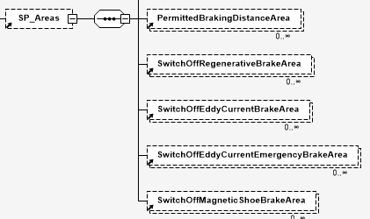
>>>>TrackCondition | element
>>>>>id | id | NA | id | In SFERA, every element that can be matched with a type in RailML has a separate identifier. | Possible use might be to use the id together with the type
>>>>>code | string | NA | id |  | Alternative to id
>>>>>name | string | NA | NA | NA
>>>>>description | string | NA | NA | NA
>>>>>pos | number | SP_Areas->()->startLocation SP_Points->Signal->StartSignalApplication->location | number | Position of the start
>>>>>absPos | number | SP_Areas->()->startLocation | number |  | possible alternative to pos
>>>>>absPosOffset | string | NA | NA | NA
>>>>>dir | enumeration: up, down, derived | NA | NA | NA | The track is always in the directiuon of the train Run
>>>>>length | number | SP_Areas->()->endLocation SP_Points->Signal->EndSignalApplication->location | NA | startposition + length | SFERA defines an endposition instead of a length
>>>>>type | enumeration: nonStoppingArea, lowerPantoGraph, mainPowerSwitchOff, radioHole, airTightness, noRegenrativeBrake, noEddyCurrentBrake, NoMagneticShoeBrake, other | SP_Areas->SwitchOffRegenerativeBraking SP_Areas->SwitchOffEddyCurrentBraking SP_Areas->SwitchOffMagneticShoeBraking SP_Points->Signal->SignalInformation->PowerConstraint->PantoGraph_Down/PantoGraph_Up SP_Points->Signal->SignalInformation->PowerConstraint->Main_Switch_Off/Main_Switch_On |  | noRegenrativeBrake: SP_Areas->SwitchOffRegenerativeBraking noEddyCurrentBrake: SP_Areas->SwitchOffEddyCurrentBraking noMagneticShoeBrake: SP_Areas->SwitchOffMagneticShoeBraking lowerPantoGraph: SP_Points->Signal->SignalInformation->PowerConstraint->PantoGraph_Down/PantoGraph_Up mainPowerSwitchOff: SP_Points->Signal->SignalInformation->PowerConstraint->Main_Switch_Off/Main_Switch_On | The attributes of certain types can be matched. For some types (lowerPantoGraph, mainPowerSitchOff), this can be translated to a signal
>>>>>geoCoord | element | SP_Points->VirtualBalise |  | add a Virtualbalise | See previous GeoCoord Definition
>>>platFormEdges | element | SP_Areas->Platform |  |  | SFERA uses a list of ATP Systems. Possibly the values can be derived (depending on source)
>>>>PlatformEdge | element | SP_Areas->Platform
>>>>>id | id | SP_Areas->Platform->identifier | NA | NA
>>>>>code | string | SP_Areas->Platform->identifier | NA | NA | Alternative id
>>>>>name | string | NA | NA | NA
>>>>>description | string | NA | NA | NA
>>>>>pos | number | SP_Areas->Platform->startLocation | number
>>>>>absPos |  | SP_Areas->Platform->startLocation | number |  | possible alternative to pos
>>>>>absPosOffset | string | NA | NA | NA
>>>>>dir | enumeration: up, down, derived | NA | NA |  | The track is always in the directiuon of the train Run
>>>>>ocpRef | id | NA | NA | NA
>>>>>length | number | SP_Areas->Platform->endLocation | NA | startposition + length | SFERA defines an endposition instead of a length

>>>>>height | number | NA | NA | NA
>>>>>side | enumeration: left, right | NA | NA | NA | There is a relation to the definition of the SFERA JourneyProfile->SegmentProfileList->TimingPointConstrints->StoppingInformation->openingDoorSide (none/left/right/both)
>>>>>parentPlatformEdgeRef | id | NA | NA | NA
>>>serviceSections | element | NA | NA | NA
>>ocsElements | element
>>>signals | element |  |  |  | The Signals in SFERA look very different from the ones in RailML. Some type of SFERA signals can be mapped on RailML trackConditions. SFERA can also include signs (so it is not defined as pure signals, put also signalling aspects and signs)
>>>>signal | element | 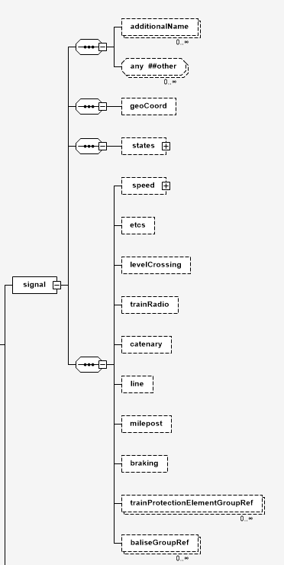 SP_Points->Signal |  | 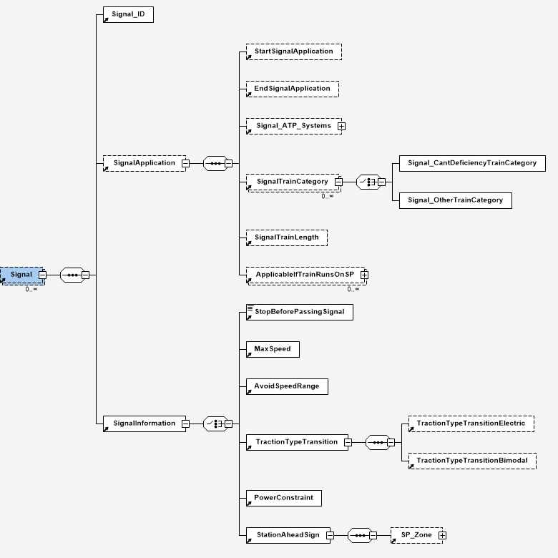
>>>>>id | id | SP_Points->Signal->Signal_ID->signal_ID_Physical SP_Points->Signal->Signal_ID->signal_ID_Object | string
>>>>>code | string | SP_Points->Signal->Signal_ID->signal_ID_Physical SP_Points->Signal->Signal_ID->signal_ID_Object | string |  | Alternative id
>>>>>name | string | NA | NA | NA
>>>>>description | string | NA | NA | NA
>>>>>pos | number | SP_Points->Signal->Signal_ID->location SP_Points->Signal->startSignalApplication->location | number |  | SFERA makes a difference to the place where a signal is places and the application of this signal. SFERA also makes it possible to define an application length
>>>>>absPos |  | SP_Points->Signal->Signal_ID->location SP_Points->Signal->startSignalApplication->location | number |  | possible alternative to pos
>>>>>absPosOffset | string | NA | NA | NA
>>>>>dir | enumeration: up, down, derived | NA | NA |  | The track is always in the directiuon of the train Run
>>>>>ocpStationRef | id | NA | NA | NA
>>>>>ControllerRef | id | NA | NA | NA
>>>>>SignalBoxOcpRef | id | NA | NA | NA
>>>>>StationOcpRef | id | NA | NA | NA
>>>>>type | enumeration: main, distant, repeater,combinedshunting, other | NA | NA | NA
>>>>>function | enumeration: exit, home, blocking, intermediate | NA | NA | NA
>>>>>switchable | bool | NA | NA | NA
>>>>>maskableRoute | bool | NA | NA | NA
>>>>>maskableATC | bool | NA | NA | NA
>>>>>virtual | bool | NA | NA | NA
>>>>>ruleCode | bool | NA | NA | NA
>>>>>sight | bool | NA | NA | NA
>>>>>sigSystem | id | NA | NA | NA
>>>>>distNearestDangerPoint | number | NA | NA | NA
>>>>>trackDist | number | NA | NA | NA
>>>>>height | number | NA | NA | NA
>>>>>geoCoord | element | SP_Points->VirtualBalise |  | add a Virtualbalise | See previous GeoCoord Definition
>>>>>speed | element | SP_Points->Signal->SignalInformation->MaxSpeed |  |  | RailML uses a speedchange Ref, while SFERA inserts speed directly
>>>>>etcs | element | NA | NA | NA
>>>>>levelcrossing | element | NA | NA | NA
>>>>>trainRadio | element | NA | NA | NA
>>>>>catenary | element | NA | NA | NA
>>>>>line | element | NA | NA | NA
>>>>>milepost | element | SP_Points->KilometreReferencePoint | NA | NA | It is not a complete 1-to-1 translation. KilometerRefenrncePoint is not required to be a sign in SFERA, but generally it will be
>>>>>braking | element | NA | NA | NA
>>>>>trainProtectionElementGroupRef | element | NA | NA | NA
>>>>>baliseGroupRef | element | NA | NA | NA
>>>>signalGroups | element | NA | NA | NA
>>>balises | element
>>>>balise | element | SP_Points->Balise
>>>>>id | id | SP_Points->Balise->identifier | id
>>>>>code | string | SP_Points->Balise->identifier | id |  | Alternative to id
>>>>>name | string | NA | NA | NA
>>>>>description | string | NA | NA | NA
>>>>>pos | number | SP_Points->Balise->location | number | Position of the start
>>>>>absPos | number | SP_Points->Balise->location | number |  | possible alternative to pos
>>>>>absPosOffset | string | NA | NA | NA
>>>>>dir | enumeration: up, down, derived | NA | NA | NA | The track is always in the directiuon of the train Run
>>>>>countryID | id | NA | NA | NA
>>>>>groupId | id | SP_Points->Balise->baliseGroupIdentifier | number | same value
>>>>>linkingAccuracy | NA | NA | NA | NA
>>>>>linkReactionAscending | NA | NA | NA | NA
>>>>>linkReactionDescending | NA | NA | NA | NA
>>>>>staticTelegram | string | NA | NA | NA
>>>>>ndx | NA | NA | NA | NA
>>>>>geoCoord | element | SP_Points->VirtualBalise |  | add a Virtualbalise | See previous GeoCoord Definition
>>>>baliseGroup | element | NA | NA | NA
>>>trainProtectionElements | element | NA | NA | NA | SFERA does not list the elements seperately, only the application of the ATP
>>>stopPosts | element
>>>>stopPost | element | SP_Points->TimingPoint->StoppingPointLocation |  |  | SFERA relates the stopping position on the timingpoint
>>>>>id | id | SP_Points->TimingPoint->StoppingPointLocation->identifier | id
>>>>>code | string | SP_Points->TimingPoint->StoppingPointLocation->identifier | id |  | Alternative to id
>>>>>name | string | NA | NA | NA
>>>>>description | string | NA | NA | NA
>>>>>pos | number | SP_Points->TimingPoint->StoppingPointLocation->location | number | Position of the start
>>>>>absPos | number | SP_Points->TimingPoint->StoppingPointLocation->location | number |  | possible alternative to pos
>>>>>absPosOffset | string | NA | NA | NA
>>>>>dir | enumeration: up, down, derived | NA | NA | NA | The track is always in the directiuon of the train Run
>>>>>ruleCode | code | NA | NA | NA
>>>>>trainRelation | string | NA | NA | NA | This is in most cases "head of the train"
>>>>>platformEdgeRef | id | NA | NA | NA
>>>>>trainLength | NA | SP_Points->TimingPoint->StoppingPointLocation->minimumTrainLength SP_Points->TimingPoint->StoppingPointLocation->maximumTrainLength | number |  | SFERA defines trainlength min and max instead of one value
>>>>>axleCount | number | NA | NA | NA
>>>>>wagonCount | number | NA | NA | NA
>>>>>verbalConstraints | string | NA | NA | NA
>>>>>virtual | bool | NA | NA | NA
>>>>>ocpRef | id | NA | NA | NA
>>>>>geoCoord | element | SP_Points->VirtualBalise |  | add a Virtualbalise | See previous GeoCoord Definition
>>>derailers | element | NA | NA | NA
>>>trainRadioChanges | element | NA | NA | NA
>>>locks | element | NA | NA | NA

RailML2 Timetable
RailML 2 timetable
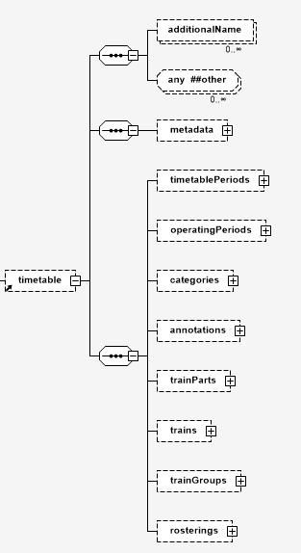
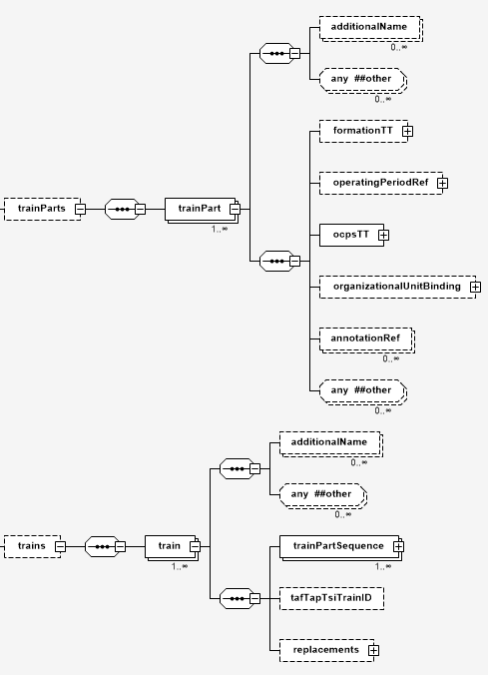
RailML 2 structure

2

1

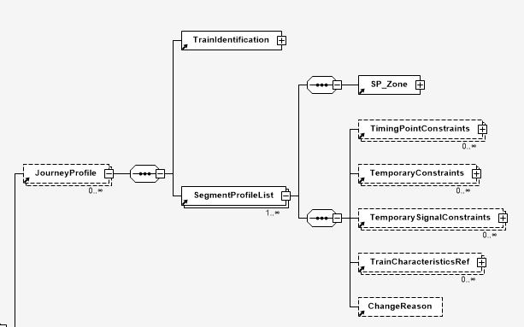
SFERA structure

2

1

Note
TrainParts and SegmentProfileList is the closest match. Within the SegmentProfileList, the TimingPointConstraints contains the same data as ocpsTT

RailML name | RailML type | SFERA name | SFERA datatype | How to convert | Notes
additionalName | element | NA | NA | NA | NA
metadata | element | NA | NA | NA | Some of this information can be used to fill the MessageHeader of SFERA if this information is coming from outside the system in communcation with a DAS
timetableperiod | element | NA | NA | NA | Timetableperiods are not defined in SFERA, but might be used to deduct the correct train from the RailML file
operatingperiod | element | NA | NA | NA | Operatingperiods are not defined in SFERA, but might be used to deduct the correct train from the RailML file
categories | element | TrainCharacteristics->TC_Features-NC_Train TrainCharacteristics->TC_Features-trainCategoryCode | NC_Train: fixed list trainCategoryCode: string | NC_Train can be derived from the "trainusage" attribute. Possible values are Freight_Train_P_Position, Freight_Train_G_Position, Passenger_Train | Categories maps loosely to TrainCharacteristics, but not to JourneyProfile
annotations | element | NA | NA | NA | NA
traingroups | element | NA | NA | NA | SFERA does not group trains, as the message is directed to one train
rosterings | element | NA | NA | NA | NA
trains | element | NA | NA | NA | This element facilitates the grouping of more trains in a file. In SFERA, this is equivalent of sending multiple Journeyprofiles if the SFERA file contains multiple trains
>train | element | >Trainidentification | element | NA | The RailML train element contains identification information that corresponds to the SFERA identifications. It also contains a trainpartreference with further information of the train
>>id | id | NA | NA | NA | SFERA trains are identified on train-level
>>code | string | >Trainidentification->TrainNumber >Trainidentification->AdditionalTrainNumber | NA | NA | depending on implementation, this could provide a unique trainNumber for SFERA
>>name | string | NA | NA | NA | NA
>>description | string | NA | NA | NA | NA
>>type | list (operational/commercial) | NA | NA | NA | The sourcedata will be extracted from the intended type. Logically, this should be the operational train
>>trainNumber | string | >Trainidentification->TrainNumber | string
>>additionalTrainNumber | string | >Trainidentification->AdditionalTrainNumber | string
>>scope | list | NA | NA | NA | NA
>>processStatus | list | NA | NA | NA | NA
>>remarks | string | NA | NA | NA | NA
>>cancellation | bool | NA | NA | NA | A cancelled train does not run
>>trainPartSequence | element | NA | NA | NA | This is a refenential element that does not exist in SFERA, as timetableinfo is directly describes under the JourneyProfile element. Changes in traincharacteristics are done by inserting TrainCharasteristicsRef at points where the traincomposition changes
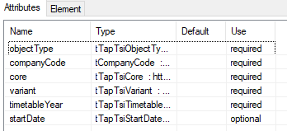 >>tafTapTsiTrainId | element | 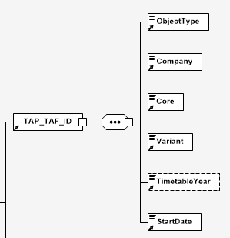 >TrainIdentification>TAP_TAF_ID | element | This grouping of elements exists in 1 to 1 translation between RailML and SFERA. RailML defines these as attributes, while SFERA follows more closely the TAFTAP notation by using separate elements. SFERA only supports the objectType "TR" | Note that in RailML "startDate" is optional, while "startDate" is required in SFERA. This is because the startDate will be used in SFERA to identify one particular train run. timetableYear in SFERA is optional, but not in RailML
>>>objectType | List | >>ObjectType | string | always "TR"
>>>companycode | num(4) | >>Company | string | SFERA allows a free string, but it should contain the UIC RICS code
>>>core | string(12) | >>Core | string(12)
>>>variant | string(2) | >>Variant | string(2)
>>>timetableYear | 2012->2097 | >>TimeTableYear | 2012->9999
>>>startDate | date (2012->2097) | >>startDate | date
>>replacement | element | NA | NA | NA | NA
trainParts | element | NA | NA | NA | This element provides further information of a train run. In RailML, this is linked to the TrainPartRef of a train. A train can consist of multiple trainParts. Within SFERA, this will all map to one JourneyProfile
>trainPart | element | NA | NA | NA | NA
>>id | id | NA | NA | NA | NA
>>code | string | >Trainidentification->TrainNumber >Trainidentification->AdditionalTrainNumber | NA | NA | In most cases, this looks like a double definition that also occurs in train but it if it different (eg different numbering in train parts), use the one that refers to the operational train number
>>name | string | NA | NA | NA | This is a double definition that also occurs in train
>>description | string | NA | NA | NA | This is a double definition that also occurs in train
>>line | lang | NA | NA | NA | If this refers to the line (as in infrastructure line), this element should be taken from the infrastructure definitions
>>trainLine | (deprecated) | NA | NA | NA | NA
>>trainNumber | string | >Trainidentification->TrainNumber | NA | NA | In most cases, this looks like a double definition that also occurs in train but it if it different (eg different numbering in train parts), use the one that refers to the operational train number
>>additionalTrainNumber | string | >Trainidentification->AdditionalTrainNumber | NA | NA | In most cases, this looks like a double definition that also occurs in train but it if it different (eg different numbering in train parts), use the one that refers to the operational train number
>>processstatus | enumeration | NA | NA | NA | This is a double definition that also occurs in train
>>debitcode | string | NA | NA | NA | NA
>>remarks | string | NA | NA | NA | This is a double definition that also occurs in train
>>timetablePeriodRef | number | NA | NA | extract the train that will run according to the operatingperiod | A train in SFERA does not refer to a timetable, but to one single train run. This is referenced by the startDate in de identification of a train
>>categoryRef | id | NA | NA | Categories has been defined earlier | the reference to categories can be used to distinct between good & passenger trains. The element "categories" can contain this information
>>operator | (deprecated) | NA | NA | NA | SFERA does not use the operator name in communication, but this information can be used to isolate information flows (e.g. login or connect operations)
>>cancellation | bool | NA | NA | NA | This is a double definition that also occurs in train
>>formationTT | element | >SegmentProfileList>TrainCharacteristicsRef | N | FormationTT is the equivalent of TrainCharacteristicsRef | The TrainCharasteristicsRef of SFERA can be defined on a SegmentProfileList element and can change in a certain location. RailML solves a change in formation by dividing a train into trainParts
>>>formationRef | id | >>>TC_ID | string | the reference is used in a similar way. Both RailML as SFERA allows overrides of certain values | TrainCharacteristics might contains other items than formations, but the goal is similar
>>>weight | number | >>>trainWeight | number | both in "tonnes"
>>>load | number | NA | NA | NA
>>>length | number | >>>trainLength | number | both in meters
>>>speed | number | >>>trainMaxSpeed | number | km/h | RailML does not specify if it is the maxspeed
>>>timetableLoad | number | NA | NA | NA | NA
>>>orientationReversed | bool | NA | NA | NA | This in not directly translated to SFERA, but it might be useful in the considerations of the traction unit definitions (e.g. reversing the composition in the SFERA message)
>>>equipmentUsage | element | NA | NA | NA
>>>>equipment | element |  |  |  | The equipment can be translated (toghether with rolling stock information) to Traincharacteristics of the ATP system
>>>>>type | string | TrainCharacteristics->TC_Features->Train_ATP_Systems | element | Use the ERA "List of Class B Systems": ERA/ TD/2011-11 v3.0. http://www.era.europa.eu/Document-Register/Documents/ERA_TD_2011-11%20v30.pdf | RailML does not define a fixed list of ATP system. This should be translated to the ERA list
>>>>>uses | bool | NA | NA |  | SFERA only is interested if it is used
>>>>>description | string | NA | NA | NA
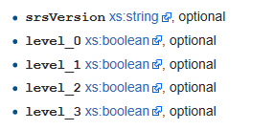 >>>>>>etcs | element | TrainCharacteristics->TC_Features->Train_System_Identifier | element | Identifier of ATP System. If it is a number: ETCS NID_ NTC from ERA "Assignment of Values to ETCS Variables", section 3.3 (ERA_ERTMS_0 40001 v1.27. | RailML devides this into several sub-attributes, while SFERA uses ID's from ERA
>>>passengerUsage | element | NA | NA | NA
>>>reservationInfo | element | NA | NA | NA
>>ocpsTT | element | JourneyProfile |  |  | ocpTTs in RailML is the equivalent of the JourneyProfile in SFERA. In SFERA, the SegmentProfile can contain multiple TimingPointconstraints, while an ocpTT in RailML is point to point. This can be solved by using the same point to point information and keep the infrastructure tracks within these limits
>>>ocpTT | element | JourneyProfile->SegmentProfileList | element |  | an ocpTT is sequenced for eacht operarional control point. In SFERA it will be a sequence of SegementProfileList. While SFERA does not require to work on level of control point, it is logical to do this when translating from RailML2
>>>>ocpRef | id | JourneyProfile->SegmentProfileList->TimeingPointConstrint->TP_ID | string | SFERA uses a TimingPoint identifier which refers to infrastructure in the SegmentProfile | The ocp in RailML can be translated to a TimingPointConstraint in RailML
>>>>TrackRef | id | JourneyProfile->SegmentProfileList->SP_ID | string | translation to unique SP_ID. If the system can generate more versions of an SegmentProfile, the SP_VersionMajor and SP_VersionMinor has to be carefully filled in | We assume the infrastructure->track will correspond to the SegmentProfile
>>>>sequence | integer | NA | NA |  | SFERA willalways follow the sequence given by the XML file
>>>>trackInfo | string | NA | NA
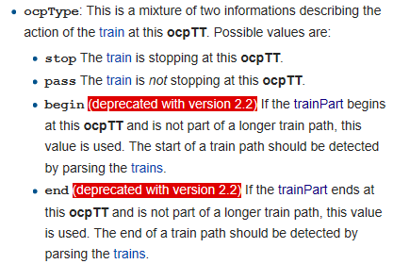 >>>>ocpType | enumeration | JourneyProfile->SegmentProfileList->TimingPointConstraints->TP_StopSkipPass JourneyProfile->SegmentProfileList->TimingPointConstraints->TP_Information | string | TP_StopSkipPass: Stopping_Point Skipped_Stopping_Point Passing_Point TP_Information: None End_of_Journey | In SFERA, this data is needed for Subset-126 compatibility. The deprecated enumeration can be derived in parsing
>>>>remarks |  | JourneyProfile->SegmentProfileList->TimingPointConstraints->StoppingInformation->StopType->StopTypeDetails | string |  | This can be used for extra information to the driver
>>>>trainReverse |  | NA | NA
>>>>alignment | enumeration: head center rear | JourneyProfile->SegmentProfileList->TimingPointConstraints->TP_alignment | enumeration | Front Middle Rear | Only difference in name (head<->front, center<->middle, rear=rear
>>>>offset | integer | SegmentProfile->SP_Points->TimingPoint->StoppingPointLocation |  |  | SFERA defines this in the infrastructure (SP_Points). These can be used dybamically by declaring multiple StoppingpointLocations for different trainlengths
>>>>shuntingTime | duration | NA | NA |  | This information can be added in combination with a minimulDwellTime or trainHold
>>>>times | element | JourneyProfile->SegmentProfileList->TimingPointConstraints | NA |  | This corresponfs to the TimingPointsConstraints of SFERA. Subitems to be translated seperately
>>>>>scope | enumeration: actual, calculated, published, schedules, earliest, latest | JourneyProfile->SegmentProfileList->TimingPointConstraints->TP_latestArrivalTime JourneyProfile->SegmentProfileList->TimingPointConstraints->StoppingPointInformation->earliestDepartureTime JourneyProfile->SegmentProfileList->TimingPointConstraints->StoppingPointInformation->plannedDepartureTime | NA |  | While SFERA does not differentiate between different times, it will use the times defined in several scopes. E.g. scope "earliest" can be mapped to earliestDepartureTime or arrivalWindow
>>>>>arrival | time | JourneyProfile->SegmentProfileList->TimingPointConstraints->TP_latestArrivalTime JourneyProfile->SegmentProfileList->TimingPointConstraints->TP_PlannedlatestArrivalTime JourneyProfile->SegmentProfileList->TimingPointConstraints->ArrivalWindow | datetime | RailML has times (no timezone defined), while SFERA uses a DateTime in UTC | There are several arrivaltimes that can be derived from using the RailML scopes. The biggest difference is that SFERA intents the use of an ArrivalTime, even when only passing though the station
>>>>>arrivalDay | integer |  |  | SFERA descibes only one run, so n-th day has to be converted to a time | The arrivalday is included in the SFERA DateTime format.
>>>>>depature |  | JourneyProfile->SegmentProfileList->TimingPointConstraints->StoppingPointInformation->DepartureTime JourneyProfile->SegmentProfileList->TimingPointConstraints->StoppingPointInformation->earliestDepartureTime JourneyProfile->SegmentProfileList->TimingPointConstraints->StoppingPointInformation->plannedDepartureTime | datetime | RailML has times (no timezone defined), while SFERA uses a DateTime in UTC | There are several departuretimes that can be derived from using the RailML scopes.
>>>>>departureDay | integer |  |  | SFERA descibes only one run, so n-th day has to be converted to a time | The departureday is included in the SFERA DateTime format.
>>>>connection | element | NA | NA |  | Connections are not used in SFERA. As DAS will not translate connection times of other trains to advises. What may be possible is that these connection might influence the time envelope of a train (e.g. stricter timings when connections are present)
>>>>statistics | element | NA | NA
>>>>sectionTT | element | NA | NA |  | SFERA only has bindings of a SegmentProfile (translated to a Track in RailML) and a sequence of several SegmentProfiles with corresponding timingpoints (translated to an ocp from RailML). Sectioninformation is not used. Distances can be derived from the Segments.
>>>>stopDescription | element |  |  |  | data from the stopdescription can be used for the TimingPointConstraints
>>>>>commercial | bool | JourneyProfile->SegmentProfileList->TimingPointConstraints->StoppingPointInformation->StopType->StoptypePurpose | enumeration | Commercial Non Commercial Regulation Non Commercial RU Non Commercial IM Non Commercial Safety Other | SFERA defines a few extra differences between the non Commercial stops
>>>>>stopOnRequest | bool | NA | NA
>>>>>onOff | bool | NA | NA
>>>>>purpose | string | JourneyProfile->SegmentProfileList->TimingPointConstraints->StoppingPointInformation->StopType->StoptypeDetails | String |  | if this field gives an extra description, one could use stopTypeDetails
>>>>>guaranteedPass | bool | NA | NA
>>>>>operationalStopOrdered |  | JourneyProfile->SegmentProfileList->TimingPointConstraints->StoppingPointInformation->StopType->MandatoryStop | bool
>>>>>operatingPeriodRef | id | NA | NA |  | Not used, as SFERA only handles one particular train
>>>>>stopPostRef | id | NA | NA |  | This is defined through the use of SP_points_TimingPoint->StoppingpointLocation in SegmentProfiles
>>>>>stopTimes | element
>>>>>>minimalTime | duration | JourneyProfile->SegmentProfileList->TimingPointConstraints->StoppingPointInformation->minimulDwellTime | duration
>>>>>>operationalReserve | duration | NA | NA |  | SFERA does not send reserve times to the train, but these times can be used to calculate the timing envelopes that are send to the train. The calculation on the train will reach to a "real"reservetime
>>>>>>additionalReserve | duration | NA | NA |  | SFERA does not send reserve times to the train, but these times can be used to calculate the timing envelopes that are send to the train. The calculation on the train will reach to a "real"reservetime
>>>>>>shuntingTime | duration | NA | NA |  | This info can be used to change timing envelopes in SFERA
>>>>>>clearanceTime | duration | NA | NA |  | This info can be used to change timing envelopes in SFERA
>>>>>stopActivities | element | NA | NA |  | This information is not transferred through SFERA
>>>>>platformEdgeRef | element | NA | NA |  | Platform are defines in SFERA as a Segment Profile (=infrastructure)
>>>>>serviceSectionRef | element | NA | NA
>>>>>trackInfo | element | NA | NA |  | trackInfo is referenced through SegmentProfiles
>>>>>annotiationRef | element | NA | NA
>>organizationalUnitBinding | element | (MessageHeader->destinationCompany) | NA | Company names must be transferred to UIC RICS Code if used in the Header | The complete element is not directly used in SFERA, but this element might contain data that can be used to isolate information flows (e.g. login or connect operations or giving access between multiple parties). It can also be part of the MessageHeader.
>>annotiationRef | element | NA | NA

RailML2 Rollingstock
RailML 2 rolling stock

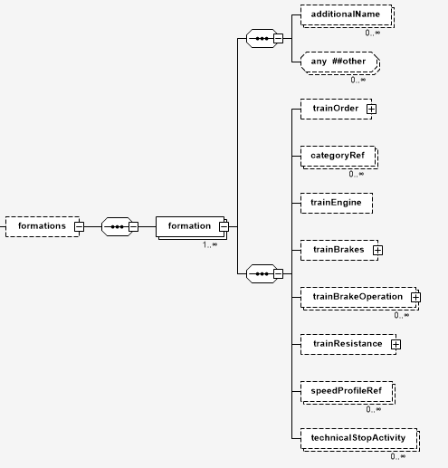
RailML2 structure
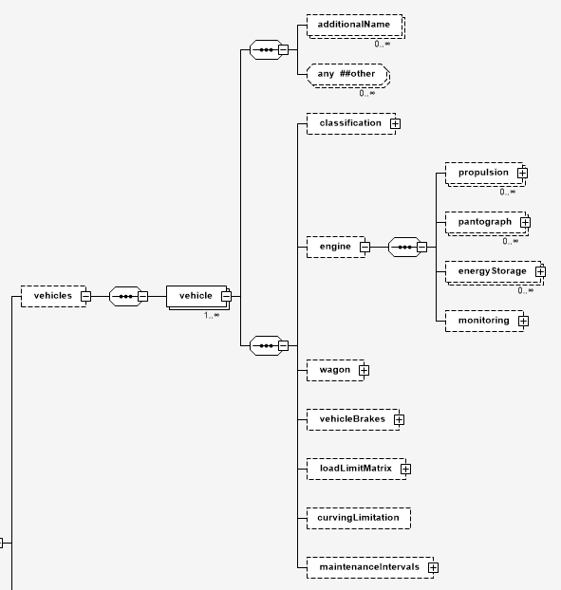

1

SFERA structure

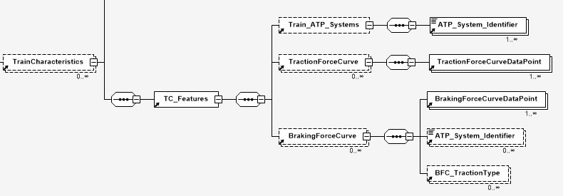

1

 | SFERA does not consider separate vehicles, but only the complete train (=formations). The vehicle declarations in RailML can be used to refine the formation information

 | RailML name | RailML type | SFERA name | SFERA datatype | How to convert | Notes
 | vehicles | element | NA | NA | NA | NA
 | >vehicle | element | NA | NA | NA | NA
 | formations | element | NA | NA | NA | NA
 | > formation | element | TrainCharacteristics->TC_Features | element
 | >>id | id | TrainCharacteristics->TC_Features->TC_ID | string | unique identifier for each formation
 | >>code | string | TrainCharacteristics->TC_Features->trainCategoryCode | element
 | >>name | string | TrainCharacteristics->TC_Features->displayName
 | >>description | string | NA | NA | NA | NA
 | >>formationCount | integer | NA | NA | always 1 | If multiple formations make 1 train in RailML, this should be combined to one formation before sending with SFERA
 | >>length | integer | TrainCharacteristics->TC_Features->trainLength | int | straight conversion
 | >>speed | integer | TrainCharacteristics->TC_Features->trainMaxSpeed | int | straight conversion
 | >>weight (deprecated) | integer | TrainCharacteristics->TC_Features->trainWeight | int | straight conversion
 | >>bruttoWeight | integer | TrainCharacteristics->TC_Features->trainWeight | int | straight conversion
 | >>nettoWeight | integer | NA | NA |  | Netto and Tareweight are not considered by SFERA
 | >>tareWeight | integer | NA | NA |  | Netto and Tareweight are not considered by SFERA
 | >>etcsTrainCategory | integer | TrainCharacteristics->TC_Features->NC_Train | element | Freight_Train_P_Position Freight_Train_G_Position Passenger_Train
 | >>additionalName | element | NA | NA
 | >>trainOrder | element |  |  |  | Car order & vehicleRef (and vehicles) can be used to fill in the amount of engines and wagons in SFERA
 | >>>vehicleRef | element + attr | TrainCharacteristics->TC_Features->engines TrainCharacteristics->TC_Features->wagons | integer | amount of engines and/or wagons
 | >>categoryRef | element | NA | NA |  | the reference to categories can be used to distinct between good & passenger trains. The element "categories" can contain this information
 | >>trainEngine |  | TrainCharacteristics->TC_Features->TractionForceCurve |  |  | SFERA and RailML take a different approach in both Tractioncurve as BrakingForceCurve. RailML uses accelleration in m/s², while SFERA uses N (force) per speed
 | >>trainBrakes |  | TrainCharacteristics->TC_Features->TractionBreakForceCurve |  |  | SFERA and RailML take a different approach in both Tractioncurve as BrakingForceCurve. RailML uses accelleration in m/s², while SFERA uses N (force) per speed
 | >>trainBrakeOperation | element
 | >>trainBrakeOperation>brakeSupervision | enumeration: none, ATP, ETCS |  | NA | NA | Supervision is related to the Train_ATP_System
 | >>trainBrakeOperation>decelerationDelay | integer | TrainCharacteristics->TC_Features->breakingreactionTime
 | >>trainBrakeOperation>releaseSpeed | integer | NA | NA | NA
 | >>trainBrakeOperation>meanDeceleration | integer | TrainCharacteristics->TC_Features->comfortableBreaking |  |  | This could be mapped to comfortableBreaking (only if it means the same in the source data)
 | >>trainResistance |  | TrainCharacteristics->TC_Features |  | Multiple attributes can be used to map these values
 | >>speedProfileRef | id | NA | NA | NA
 | >>technicalStopActivity | element | NA | NA | NA

RailML3 Infra
 | RailML 3 infrastructure

 | RailML structure
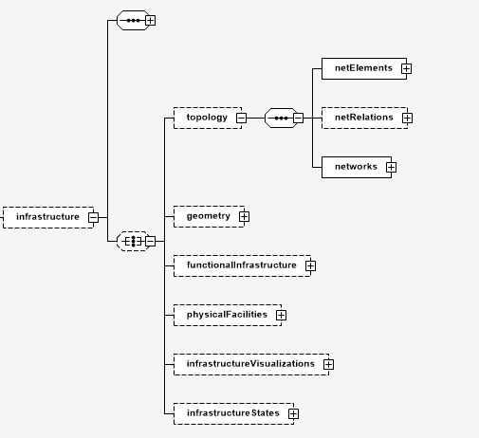

1

2

 | SFERA Structure

1

2

 | RailML3 is a topology model, which references the microscopic, mesoscopic and macroscopic points and areas on a seperate level. It makes it possible to mix elements on a different level (zoom-in/zoom-out). SFERA takes a different approach to achieve a similar goal: placements of the infrastructure is done linear. RailML is made to define a complete infrastructure, while SFERA is only defining the points where a train is passing.

 | This documentation is not meant to describe how RailML3 links the relations between the different Infrastrructure elements. These collections of netElement and netRelation should be followed and used in order to build up the linear infrastructures used by SFERA. For the right way to link the topology in RailML in order to get a linear view, positioning links and correct distances, we refer to IRS30100 and the RailML 3 documentation.
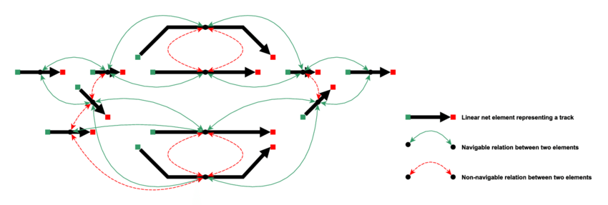 |  |  |  |  | 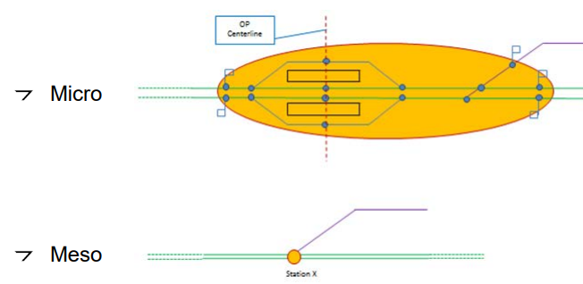
 | In this conversion table, we will only link the relevant infrastructure elements to the SFERA elements

 | RailML name | RailML type | SFERA name | SFERA datatype | How to convert | Notes
 | >common | element
 | >>electrificationSystems | element |  |  |  | This provides a list of the electrification Systems in RailML, but still has to be linked to the infrastructure positions before use in SFERA
 | >>>electrificationSystem | element
 | >>>>id | id | NA | NA | NA | NA
 | >>>>voltage | number | SP_Characteristics->RatedVoltage->RatedVoltageStart->VoltageValue (if = 0) SP_Characteristics->RatedVoltage->RatedVoltageChange->VoltageValue SP_Characteristics->RatedVoltage->RatedVoltageChange->NID_CTRACTION |  |  | both are in Volts. When translation to NID_CTRACTION is used: use numbers from ERA document ERA_ERTMS_040001.
 | >>>>frequency | number | SP_Characteristics->RatedVoltage->RatedVoltageChange->NID_CTRACTION |  |  | Can be used in combination to voltage to refer to NID_CTRACTION is used: use numbers from ERA document ERA_ERTMS_040001.
 | >>organizationalUnits |  | (MessageHeader->destinationCompany) (MessageHeader->sourceCompany) | NA | Company names must be transferred to UIC RICS Code if used in the Header
 | >>speedProfiles | element | SP_Characteristics->StaticSpeedProfile->StaticSpeedProfileStart->SpecificSSP SP_Characteristics->StaticSpeedProfile->StaticSpeedProfileChange->SpecificSSP |  | trainType matches closest to structure in SFERA | SFERA combines the speedprofiles in one element. RailML uses <SpeedChanges> with a reference to multiple speedProfiles. SFERA also doesn’t refer to an operatingperiod or time -> the profile is the one the train in running on "now". In SFERA, this grouping has been done on CantDeficiency, Traintype (P/G regime, or "other"). "Other" can be defined by the IM/RU and is limited to 10 characters. In SpecificSSP you can define when there is a speed difference (V_DIFF) for certain type of trains or tilting categories. Type is defined in attribute specific_SSP_Category
 | >>>speedProfile | element | 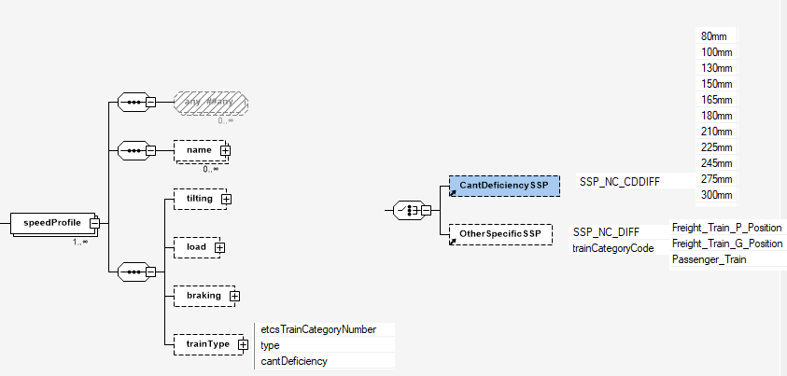
 | >>>positioning | element |  |  |  | Not directly used, but is needed to translate and map lineair and positional assets
 | >interlocking | element | NA | NA | NA
 | >infrastructure | element
 | >>topology | element |  |  |  | Topology needs to be used in order to map the correct infrastructure element to a lineair structure
 | >>geometry | element
 | >>>horizontalCurves | element
 | >>>>horizontalCurve | element |  |  | This corresponds to "Curve"
 | >>>>>id | id | NA | NA | NA
 | >>>>>curveType | enumeration: arc, clothoide, straight |  |  | arc
 | >>>>>azimuth | number | NA | NA | NA
 | >>>>>deltaAzimuth | number | NA | NA | NA
 | >>>>>radius | number | SP_Characteristics->Curves->CurveStart->CurveRadius & curveDirection SP_Characteristics->Curves->CurveChange->CurveRadius & curveDirection | number | recalculate positive/negative values to CurveDirection Left/Right. It is possible to use "unknown" | Radius definition is the same, but negative values (Left) and positive values (right) are defined seperately
 | >>>>>length | number | NA | NA | NA | This field can have a relationship with the start of a next curve
GEO | >>>>>areaLocation |  | NA | NA | NA |  | This part is repeated several time for infratructure elements.
 | >>>>>linearLocation |  | NA | NA | NA
 | >>>>>spotlocation | element |  |  |  | This element describes the positioning (lineair and geocord) geocoordinates can be mapped to Virtualbalises, while the lineair position can be used to calculate the position in SFERA.
 | >>>>>>id | id | NA | NA | NA
 | >>>>>>netElementRef |  | NA | NA | NA
 | >>>>>>intrinsicCoord |  | NA | NA | NA
 | >>>>>>applicationDirection |  | NA | NA | NA
 | >>>>>>pos |  | SP_Characteristics->()->location |  |  | Positioning used to link to a SFERA positioning
 | >>>>>>linearCoordinate | element |  |  |  | Information in this element can be used to define the linear position for use in SFERA
 | >>>>>>geometricCoordinate | element |  |  |  | This can be used to refer to a Virtualbalise on the position of the element
 | >>>>>>>positioningSystemRef | id | SP_Points->VirtualBalise |  | use 2-3 list values to the attributes latitude, longitude and altitude. signed degrees format (DDD.ddddd) in the WGS84 system. Altitude (m). Considering ETRS89 as reference. | SFERA always uses the GNSS notations. If anything else is used in RAILML, it has to be translated
 | >>>>>>>x | number | SP_Points->VirtualBalise->VirtualBalisePosition->latitude
 | >>>>>>>y | number | SP_Points->VirtualBalise->VirtualBalisePosition->longitude
 | >>>>>>>z | number | SP_Points->VirtualBalise->VirtualBalisePosition->altitude
 | >>>>>gmlLocations | element | NA | NA | NA
 | >>>>>networkLocation | element | NA | NA | NA
 | >>>>>beginsinGeometryPoint | id |  |  | Refers to location (linear position and geolocation)
 | >>>>>endsInGeometrypoint | id |  |  | Refers to location (linear position and geolocation)
 | >>>gradientCurves | element
 | >>>>gradientCurve | element |  |  | This corresponds to "Curve"
 | >>>>>id | id | NA | NA | NA
 | >>>>>curveType | enumeration: arc, clothoide, straight |  |  | arc
 | >>>>>gradient | number | SP_Characteristics->GradientAverage->GradientAverageStart->gradientValue & GradientDirection SP_Characteristics->GradientAverage->GradientAverageChange->gradientValue & GradientDirection |  | recalculate negative values to GradientDirection Uphill/Downhill | RailMl uses per mille (and use of negative values. SFERA uses mm by m (which is also per mille), but also adds a GradientDirection (Uphill, Downhill) and does not have negative values
 | >>>>>deltaGradient | number | NA | NA | NA
 | >>>>>radius | number | NA | NA | NA
 | >>>>>length | number | NA | NA | NA | This field can have a relationship with the start of a next curve
GEO | >>>>>areaLocation |  | NA | NA | NA
 | >>>>>linearLocation |  | NA | NA | NA
 | >>>>>spotlocation | element |  |  |  | This element describes the positioning (lineair and geocord) geocoordinates can be mapped to Virtualbalises, while the lineair position can be used to calculate the position in SFERA.
 | >>>>>>id | id | NA | NA | NA
 | >>>>>>netElementRef |  | NA | NA | NA
 | >>>>>>intrinsicCoord |  | NA | NA | NA
 | >>>>>>applicationDirection |  | NA | NA | NA
 | >>>>>>pos |  | SP_Characteristics->()->location |  |  | Positioning used to link to a SFERA positioning
 | >>>>>>linearCoordinate | element |  |  |  | Information in this element can be used to define the linear position for use in SFERA
 | >>>>>>geometricCoordinate | element |  |  |  | This can be used to refer to a Virtualbalise on the position of the element
 | >>>>>>>positioningSystemRef | id | SP_Points->VirtualBalise |  | use 2-3 list values to the attributes latitude, longitude and altitude. signed degrees format (DDD.ddddd) in the WGS84 system. Altitude (m). Considering ETRS89 as reference. | SFERA always uses the GNSS notations. If anything else is used in RAILML, it has to be translated
 | >>>>>>>x | number | SP_Points->VirtualBalise->VirtualBalisePosition->latitude
 | >>>>>>>y | number | SP_Points->VirtualBalise->VirtualBalisePosition->longitude
 | >>>>>>>z | number | SP_Points->VirtualBalise->VirtualBalisePosition->altitude
 | >>>>>gmlLocations | element | NA | NA | NA
 | >>>>>networkLocation | element | NA | NA | NA
 | >>>>>beginsinGeometryPoint | id |  |  | Refers to location (linear position and geolocation)
 | >>>>>endsInGeometrypoint | id |  |  | Refers to location (linear position and geolocation)
 | >>>geometryPoints | element
 | >>>>geometryPoint | element |  |  | This corresponds to "Curve"
 | >>>>>id | id | NA | NA | NA
 | >>>>>radius | enumeration: arc, clothoide, straight | NA | NA | NA
 | >>>>>gradient | number | NA | NA | NA
 | >>>>>azimuth | number | NA | NA | NA
GEO | >>>>>areaLocation |  | NA | NA | NA
 | >>>>>linearLocation |  | NA | NA | NA
 | >>>>>spotlocation | element |  |  |  | This element describes the positioning (lineair and geocord) geocoordinates can be mapped to Virtualbalises, while the lineair position can be used to calculate the position in SFERA.
 | >>>>>>id | id | NA | NA | NA
 | >>>>>>netElementRef |  | NA | NA | NA
 | >>>>>>intrinsicCoord |  | NA | NA | NA
 | >>>>>>applicationDirection |  | NA | NA | NA
 | >>>>>>pos |  | SP_Characteristics->()->location |  |  | Positioning used to link to a SFERA positioning
 | >>>>>>linearCoordinate | element |  |  |  | Information in this element can be used to define the linear position for use in SFERA
 | >>>>>>geometricCoordinate | element |  |  |  | This can be used to refer to a Virtualbalise on the position of the element
 | >>>>>>>positioningSystemRef | id | SP_Points->VirtualBalise |  | use 2-3 list values to the attributes latitude, longitude and altitude. signed degrees format (DDD.ddddd) in the WGS84 system. Altitude (m). Considering ETRS89 as reference. | SFERA always uses the GNSS notations. If anything else is used in RAILML, it has to be translated
 | >>>>>>>x | number | SP_Points->VirtualBalise->VirtualBalisePosition->latitude
 | >>>>>>>y | number | SP_Points->VirtualBalise->VirtualBalisePosition->longitude
 | >>>>>>>z | number | SP_Points->VirtualBalise->VirtualBalisePosition->altitude
 | >>>>>gmlLocations | element | NA | NA | NA
 | >>>>>networkLocation | element | NA | NA | NA
 | >>>>>beginsinGeometryPoint | id |  |  | Refers to location (linear position and geolocation)
 | >>>>>endsInGeometrypoint | id |  |  | Refers to location (linear position and geolocation)
 | >>physicalFacilities | element | NA | NA | NA
 | >>infrastructureVisualisations | element | NA | NA | NA
 | >>InfrastructureStates | element | NA | NA | NA
 | >>funtionalInfrastructure | element |  |  |  | This element contains the most common infrastructure elements
 | >>>balises | element
 | >>>>balise | element | SP_Points->Balise
 | >>>>>id | id | SP_Points->Balise->identifier |  |  | the id notation in RailML can be different
 | >>>>>type | enumeration: fixes, transparent | NA | NA | NA
 | >>>>>belongsToParent | id | SP_Points->Balise->baliseGroupIdentifier | NA | NA | if RailML refers to a baliseGroup, then "belongsToParent" has to be used to map the baliseGroup
 | >>>>>basedOnTemplate | bool | NA | NA | NA
 | >>>>>isBaliseGroup | id | SP_Points->Balise->baliseGroupIdentifier | NA | NA | if RailML refers to a baliseGroup, then "belongsToParent" has to be used to map the baliseGroup
 | >>>>>baliseGroupType | enumeration: fixes, transparent, infill | NA | NA | NA
 | >>>>>name | element | NA | NA | NA
 | >>>>>isValid | element | NA | NA | NA
 | >>>>>areaLocation |  | NA | NA | NA
 | >>>>>linearLocation |  | NA | NA | NA
 | >>>>>spotlocation | element |  |  |  | This element describes the positioning (lineair and geocord) geocoordinates can be mapped to Virtualbalises, while the lineair position can be used to calculate the position in SFERA.
 | >>>>>>id | id | NA | NA | NA
 | >>>>>>netElementRef |  | NA | NA | NA
 | >>>>>>intrinsicCoord |  | NA | NA | NA
 | >>>>>>applicationDirection |  | NA | NA | NA
 | >>>>>>pos |  | SP_Characteristics->()->location |  |  | Positioning used to link to a SFERA positioning
 | >>>>>>linearCoordinate | element |  |  |  | Information in this element can be used to define the linear position for use in SFERA
 | >>>>>>geometricCoordinate | element |  |  |  | This can be used to refer to a Virtualbalise on the position of the element
 | >>>>>>>positioningSystemRef | id | SP_Points->VirtualBalise |  | use 2-3 list values to the attributes latitude, longitude and altitude. signed degrees format (DDD.ddddd) in the WGS84 system. Altitude (m). Considering ETRS89 as reference. | SFERA always uses the GNSS notations. If anything else is used in RAILML, it has to be translated
 | >>>>>>>x | number | SP_Points->VirtualBalise->VirtualBalisePosition->latitude
 | >>>>>>>y | number | SP_Points->VirtualBalise->VirtualBalisePosition->longitude
 | >>>>>>>z | number | SP_Points->VirtualBalise->VirtualBalisePosition->altitude
 | >>>>>gmlLocations | element | NA | NA | NA
 | >>>>>networkLocation | element | NA | NA | NA
 | >>>borders | element
 | >>>>border | element | Next_SP_Zone |  | IM_ID or NID_C, probably taken from "externalRef" | A border in RailML cannot be directly translated, but information on an IM border can be used to indicate that the end of a SegmentProfile hands over to another IM
 | >>>>>id | id | Next_SP_Zone |  |  | the id notation in RailML can be different
 | >>>>>type | enumeration: other |  |  | IM_ID (Infrastructure Manager ID) or NID_C (from ERTMS) | zone can be a border between IM's, but also NID_C from ERTMS. Translation has to be foreseen to be able to map these ID's
 | >>>>>isOpenEnd | bool | NA |  | should be "true" to translate border
 | >>>>>externlRef | id | Next_SP_Zone |  |  | possible value for SP_Zone (IM_ID or NID_C)
 | >>>>>name | element | NA | NA | NA
 | >>>>>isValid | element | NA | NA | NA
 | >>>>>areaLocation |  | NA | NA | NA
 | >>>>>linearLocation |  | NA | NA | NA
 | >>>>>spotlocation | element |  |  |  | This element describes the positioning (lineair and geocord) geocoordinates can be mapped to Virtualbalises, while the lineair position can be used to calculate the position in SFERA.
 | >>>>>>id | id | NA | NA | NA
 | >>>>>>netElementRef |  | NA | NA | NA
 | >>>>>>intrinsicCoord |  | NA | NA | NA
 | >>>>>>applicationDirection |  | NA | NA | NA
 | >>>>>>pos |  | SP_Characteristics->()->location |  |  | Positioning used to link to a SFERA positioning
 | >>>>>>linearCoordinate | element |  |  |  | Information in this element can be used to define the linear position for use in SFERA
 | >>>>>>geometricCoordinate | element |  |  |  | This can be used to refer to a Virtualbalise on the position of the element
 | >>>>>>>positioningSystemRef | id | SP_Points->VirtualBalise |  | use 2-3 list values to the attributes latitude, longitude and altitude. signed degrees format (DDD.ddddd) in the WGS84 system. Altitude (m). Considering ETRS89 as reference. | SFERA always uses the GNSS notations. If anything else is used in RAILML, it has to be translated
 | >>>>>>>x | number | SP_Points->VirtualBalise->VirtualBalisePosition->latitude
 | >>>>>>>y | number | SP_Points->VirtualBalise->VirtualBalisePosition->longitude
 | >>>>>>>z | number | SP_Points->VirtualBalise->VirtualBalisePosition->altitude
 | >>>>>gmlLocations | element | NA | NA | NA
 | >>>>>networkLocation | element | NA | NA | NA
 | >>>>>markedByInfrastructureElement | element | NA | NA | NA
 | >>>bufferStops | element | NA | NA | NA | bufferstops are not used in SFERA, but can be used to add Virtualbalises if location and Geographical location is known
 | >>>>bufferStop | element | NA | NA | NA
 | >>>crossings | element | NA | NA | NA | crossings are not used in SFERA, but can be used to add Virtualbalises if location and Geographical location is known
 | >>>>crossing | element | NA | NA | NA
 | >>>derailersIS | element | NA | NA | NA
 | >>>>derailerIS | element | NA | NA | NA
 | >>>electrifications | element |  |  |  | This element links the electrification system with the location & type
 | >>>>electrificationSection | element
 | >>>>>id | id |  |  |  | the id notation in RailML can be different
 | >>>>>contactLineType | enumeration: overhead, sideRail, 3rdRailBottom, 3rdRailSide, 3rdRailTop |  |  |  | Does not have to be translated to SFERA
 | >>>>>insulatedSection | element | NA | NA | NA
 | >>>>>name | element | NA | NA | NA
 | >>>>>isValid | element | NA | NA | NA
 | >>>>>areaLocation |  | NA | NA | NA
 | >>>>>linearLocation |  | NA | NA | NA
 | >>>>>spotlocation | element |  |  |  | This element describes the positioning (lineair and geocord) geocoordinates can be mapped to Virtualbalises, while the lineair position can be used to calculate the position in SFERA.
 | >>>>>>id | id | NA | NA | NA
 | >>>>>>netElementRef |  | NA | NA | NA
 | >>>>>>intrinsicCoord |  | NA | NA | NA
 | >>>>>>applicationDirection |  | NA | NA | NA
 | >>>>>>pos |  | SP_()->()->location |  |  | Positioning used to link to a SFERA positioning
 | >>>>>>linearCoordinate | element |  |  |  | Information in this element can be used to define the linear position for use in SFERA
 | >>>>>>geometricCoordinate | element |  |  |  | This can be used to refer to a Virtualbalise on the position of the element
 | >>>>>>>positioningSystemRef | id | SP_Points->VirtualBalise |  | use 2-3 list values to the attributes latitude, longitude and altitude. signed degrees format (DDD.ddddd) in the WGS84 system. Altitude (m). Considering ETRS89 as reference. | SFERA always uses the GNSS notations. If anything else is used in RAILML, it has to be translated
 | >>>>>>>x | number | SP_Points->VirtualBalise->VirtualBalisePosition->latitude
 | >>>>>>>y | number | SP_Points->VirtualBalise->VirtualBalisePosition->longitude
 | >>>>>>>z | number | SP_Points->VirtualBalise->VirtualBalisePosition->altitude
 | >>>>>gmlLocations | element | NA | NA | NA
 | >>>>>networkLocation | element | NA | NA | NA
 | >>>>>electrificationSystemRef | element (Ref: id) | SP_Characteristics->RatedVoltage->RatedVoltageStart->VoltageValue (if = 0) SP_Characteristics->RatedVoltage->RatedVoltageChange->VoltageValue SP_Characteristics->RatedVoltage->RatedVoltageChange->NID_CTRACTION | NA | NA | This can refer to the information needed
 | >>>>>energyCatenary
 | >>>>>>allowsRegenrativeBraking | bool | SP_Areas->SwitchOffRegenerativeBrakeArea |  |  | This could be an indication for use in "SwitchOffRegenerativeBreakeArea". Location has been defined in the locationreferences
 | >>>>>>maxTrainCurrent | element
 | >>>>>>>maxCurrent | number | SP_Characteristics->CurrentLimitation->maxCurValue |  | both in Ampère
 | >>>>>>>trainType | id | NA | NA | NA
 | >>>>>>>operationType | enumerstation: standstill, driving |  |  |  | Most used value will be "driving"
 | >>>>>>>validFor | enumeration: train, pantograph | NA | NA | NA
 | >>>>>energyPantograph | element | NA | NA | NA
 | >>>>>energyRollingstock | element | NA | NA | NA | SFERA doe not make a difference between the rolling stock. If needed, a different maxCurrent in the SegmentProfile can be send for a different type of train
 | >>>>>hasContactWire | element | NA | NA | NA
 | >>>>>pantographSpacing | element | NA | NA | NA
 | >>>>>phaseSeperationSection | element | SP_Areas->PowerlessSection |  |  | phaseseperation results in a powerless section.
 | >>>>>>lengthPhaseSeperation | number | SP_Areas->PowerlessSection->startLocation SP_Areas->PowerlessSection->endLocation |  |  | Together with the linear position and the lengts, the start and endlocation can be determined
 | >>>>>>switchOffBreaker | bool | SP_Points->Signal->SignalInformation->PowerConstraint->PowerConstraintInstruction |  |  | These items could be translated to a signal in SFERA. Location has to be extracted from the electrificationSection
 | >>>>>>lowerPantoGraph | bool | SP_Points->Signal->SignalInformation->PowerConstraint->PowerConstraintInstruction |  |  | These items could be translated to a signal in SFERA. Location has to be extracted from the electrificationSection
 | >>>>>systemSeperationSection | element | SP_Areas->PowerlessSection |  |  | Systemseperation results in a powerless section.
 | >>>>>>lengthSystemSeperation | number | SP_Areas->PowerlessSection->startLocation SP_Areas->PowerlessSection->endLocation |  |  | Together with the linear position and the lengts, the start and endlocation can be determined
 | >>>>>>switchOffBreaker | bool | SP_Points->Signal->SignalInformation->PowerConstraint->PowerConstraintInstruction |  |  | These items could be translated to a signal in SFERA. Location has to be extracted from the electrificationSection
 | >>>>>>lowerPantoGraph | bool | SP_Points->Signal->SignalInformation->PowerConstraint->PowerConstraintInstruction |  |  | These items could be translated to a signal in SFERA. Location has to be extracted from the electrificationSection
...

